Distribution Analysis
Distribution of Price
Price ($)
Bin | Count | Normal Curve | Statistic | Value
$1M–$2M | 9 | 25.9 | Mean | $4,766,729
$2M–$3M | 62 | 56.1 | Median | $4,340,000
$3M–$4M | 148 | 91.8 | Std Dev | $1,870,440
$4M–$5M | 131 | 113.7 | Skewness | 1.21
$5M–$6M | 78 | 106.6 | Kurtosis | 1.96
$6M–$7M | 52 | 75.5
$7M–$8M | 28 | 40.5 |  | Interpretation:
$8M–$9M | 20 | 16.4 |  | Price is strongly right-skewed (skewness ≈ 1.2): most homes cluster between $3M and $6M, with a small number of expensive outliers stretching the tail toward $13M+. The normal distribution assumption does not hold well here, so empirical (percentile-based) methods are more appropriate for probability questions on this variable.
$9M–$10M | 9 | 5.0
$10M–$11M | 3 | 1.2
$11M–$12M | 1 | 0.2
$12M–$13M | 3 | 0.0
$13M–$14M | 1 | 0.0

Distribution of Area

Area (sq ft)
Bin | Count | Normal Curve | Statistic | Value
1,000–3,000 | 52 | 72.5 | Mean | 5,151
3,000–5,000 | 254 | 169.8 | Median | 4,600
5,000–7,000 | 148 | 180.2 | Std Dev | 2,170
7,000–9,000 | 62 | 86.7 | Skewness | 1.32
9,000–11,000 | 18 | 18.8 | Kurtosis | 2.75
11,000–13,000 | 7 | 1.8
13,000–15,000 | 2 | 0.1 |  | Interpretation:
15,000–17,000 | 2 | 0.0 |  | Area is also right-skewed (skewness ≈ 1.3), mirroring the shape of price — most lots fall between 3,000 and 7,000 sq ft, with a long tail of larger properties. This supports the team's earlier observation that area and price move together and share a similar non-normal shape.

Number of Stories
 | Series1
1 | 227
2 | 238
3 | 39
4 | 41
Stories
Bin | Count |  | Statistic | Value
1 | 227 |  | Mean | 1.81
2 | 238 |  | Median | 2.00
3 | 39 |  | Std Dev | 0.87
4 | 41 |  | Skewness | 1.08
 |  |  | Kurtosis | 0.68

 |  |  | Interpretation:
 |  |  | Stories is right-skewed (skewness ≈ 1.1), with most homes at 1 or 2 stories and a smaller share reaching 3 or 4. As with bedrooms and bathrooms, its small set of integer values makes a normal-curve fit inappropriate.

Number of Bedrooms
 | Series1
1 | 2
2 | 136
3 | 300
4 | 95
5 | 10
6 | 2
Bedrooms
Bin | Count |  | Statistic | Value
1 | 2 |  | Mean | 2.97
2 | 136 |  | Median | 3.00
3 | 300 |  | Std Dev | 0.74
4 | 95 |  | Skewness | 0.50
5 | 10 |  | Kurtosis | 0.73
6 | 2

 |  |  | Interpretation:
 |  |  | Bedrooms is only mildly right-skewed (skewness ≈ 0.5) and roughly unimodal, centered on 3 bedrooms. Because it only takes a handful of integer values, it isn't truly continuous or normal, but it is the closest of the six variables to a symmetric shape.

Number of Bathrooms
 | Series1
1 | 401
2 | 133
3 | 10
4 | 1
Bathrooms
Bin | Count |  | Statistic | Value
1 | 401 |  | Mean | 1.29
2 | 133 |  | Median | 1.00
3 | 10 |  | Std Dev | 0.50
4 | 1 |  | Skewness | 1.59
 |  |  | Kurtosis | 2.16

 |  |  | Interpretation:
 |  |  | Bathrooms is heavily right-skewed (skewness ≈ 1.6): roughly three-quarters of homes have just 1 bathroom, with a rapidly shrinking number having 2, 3, or 4. The normal assumption clearly does not apply to this variable.

Parking Spaces per house
 | Series1
0 | 299
1 | 126
2 | 108
3 | 12
Parking
Bin | Count |  | Statistic | Value
0 | 299 |  | Mean | 0.69
1 | 126 |  | Median | 0.00
2 | 108 |  | Std Dev | 0.86
3 | 12 |  | Skewness | 0.84
 |  |  | Kurtosis | -0.57

 |  |  | Interpretation:
 |  |  | Parking is right-skewed (skewness ≈ 0.8) with a large mass of homes at 0 parking spaces, tapering off through 1, 2, and 3. Like the other count variables, it is discrete and non-normal, so empirical proportions are the more reliable way to answer probability questions about it.

Commentary
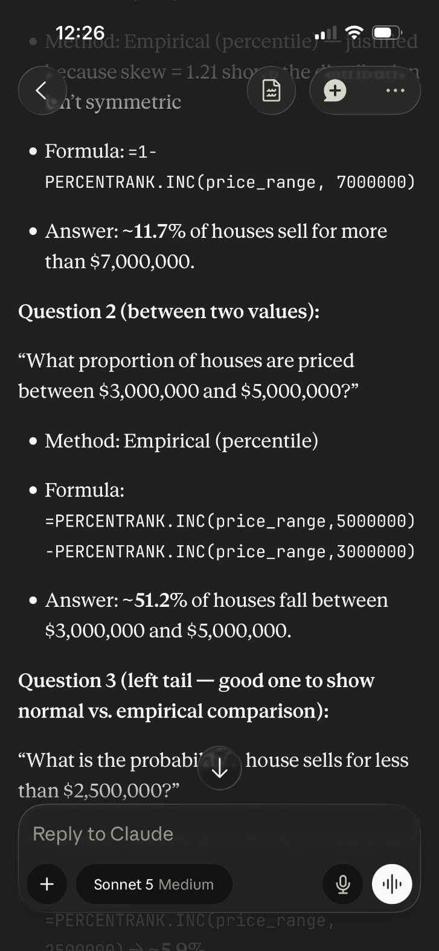
Commetary | AI Usage
Across all three of our probability scenarios, the empirical approach was better suited than z-scores as housing prices in this market are right-skewed rather than bell shaped. This was confirmed by the skewness statistic and the gap between the median and 10th percentile. Had we assumed that this data was normally distributed, we would have understated the likelihood of very high sale prices (like the 11.7% chance of a sale above $7M). Additionally, we would have mischaracterized how homes are distributed around the median, as a normal distribution assumes symmetry (something this dataset does not have). | Claude was overall used to help generate research questions in addition to assisting with the use of the correct formula to answer the generated research questions. Method of distribution given by Claude and double checked for accuracy. Solution provided by Claude which was useful to double check once the formula combined with appropriate data was generated in Excel. One slight limitation included Claude's initial output using a placeholder (price_range) rather than actual data range which had to be edited to use the correct data range, however, it was not a major issue as every value was manually typed into Excel to avoid any AI mistakes.

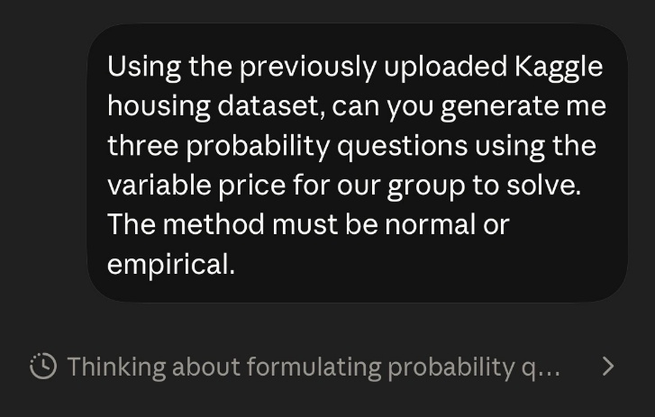
The probabilities we found directly translate into practical decision-making. Knowing that approximately 1 in 9 homes is sold for more than $7M helps realtors better understand the luxury market and have better financing conversations with clients. The 10th percentile figure of $2.8M sets a realistic floor for pricing entry-level listings. In contrast, the concentration of over half of all homes between $3M and $5M suggests that's where sales targets should be most heavily located. The biggest surprise in working with this data is how strong the right-skew is. Even mid-range price bands were heavily asymmetrical. This reinforced the importance of checking distribution before calculating probability.

